Dashboard

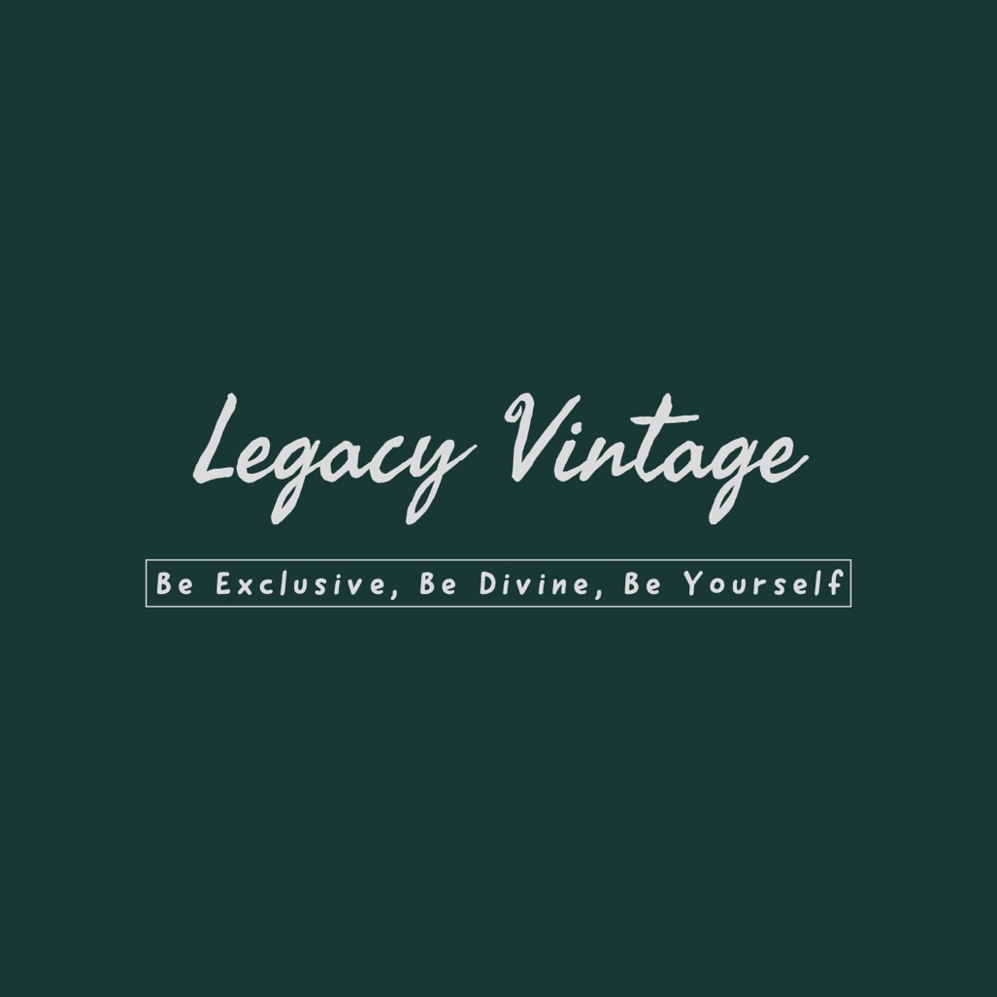
Legacy Vintage - Be Exclusive, Be Divine, Be Yourself

Gender
 | Total
Male | 18
Clothing Size
 | Total
M | 2

Clothing Category
 | Total
T-shirts, sweaters, sweatshirts | 18

Age Group
 | Total
16-25 | 18

Gender
Row Labels | Count of Your Full Name-
Male | 18
Grand Total | 18

Gender

Age Group
Row Labels | Count of Your Full Name-
16-25 | 18
Grand Total | 18

Age Group

Most liked Brand Name
'Which brand do you like the most?': H&M appears most often.
Row Labels | Count of Your Full Name-
H&M | 3
H&M, Louis Vuitton, Zara, Van Heusen, Tommy Hilfiger | 1
Levi's, US Polo, Zara, Van Heusen, Louise Philippe, Park Avenue, Nike, Tommy Hilfiger, Lee, Allen Solly | 1
H&M, Zara, Nike, Marks & Spencer | 1
H&M, Levi's, Louis Vuitton, US Polo, Zara, Van Heusen, Louise Philippe, Park Avenue, Nike, Tommy Hilfiger, Lee, Allen Solly, Marks & Spencer | 1
Louise Philippe | 1
H&M, Levi's, US Polo, Van Heusen, Ralph Lauren, Louise Philippe, Park Avenue, Nike, Lee, Allen Solly | 1
H&M, Pantaloons, Levi's, Tommy Hilfiger | 1
H&M, Levi's, US Polo, Zara, Van Heusen, Ralph Lauren, Richard Quin, Louise Philippe, Park Avenue, Nike, Tommy Hilfiger, Lee, Allen Solly | 1
Levi's, US Polo, WESTSIDE, Nike, Marks & Spencer | 1
H&M, Levi's, US Polo, Zara, Van Heusen, Ralph Lauren, Richard Quin, WESTSIDE, Louise Philippe, Park Avenue, Biba, Tommy Hilfiger, Lee, Allen Solly, Marks & Spencer | 1
Louis Vuitton | 1
H&M, Levi's, Zara, Nike, Tommy Hilfiger | 1
H&M, Levi's, Louis Vuitton, US Polo, Van Heusen, Ralph Lauren, Louise Philippe, Nike, Tommy Hilfiger, Lee, Wrangler, Allen Solly, Marks & Spencer | 1
Zara | 1
H&M, Levi's, Zara, Park Avenue, Nike | 1
Grand Total | 18

Clothing Size
I like clothes that highlight my features. | Strongly Agree

Row Labels | Count of Your Full Name-
M | 2
Grand Total | 2

Clothing Size

Fashion Trends
Yes, but I don't really follow them accounts for the majority of 'Do you follow current fashion trends?'.
Row Labels | Count of Your Full Name-
Yes, but I don't really follow them | 13
Yes, I follow them closely | 5
Grand Total | 18

Clothing Category
Please confirm your gender | Male

Row Labels | Count of Your Full Name-
T-shirts, sweaters, sweatshirts | 18
Grand Total | 18

Clothing Category

Expensive or Less Expensive
Row Labels | Count of Your Full Name-
Neutral | 8
Disagree | 5
Agree | 4
Strongly disagree | 1
'I think spending more money on expensive clothes is ridiculous.': Neutral appears most often.
Grand Total | 18

How often they buy
I like clothes that highlight my features. | Agree

Row Labels | Count of Your Full Name-
Several times per month | 4
Less often | 2
Several times per year | 2
How frequently do consumers buy
Several times per week | 2
Grand Total | 10

Highlighting features
Row Labels | Count of Your Full Name-
Agree | 10
Neutral | 6
Strongly Agree | 2
Grand Total | 18
'I like clothes that highlight my features.': Agree and Neutral appear most often.

Integral part of Personality
How often do you buy new clothes? | Several times per week

For 'How often do you buy new clothes?: Several times per week', 'Do you agree how you look is an integral part of your personality?': Strongly agree appears most often.
Row Labels | Count of Your Full Name-
Agree | 2
Grand Total | 2

